Sheet1
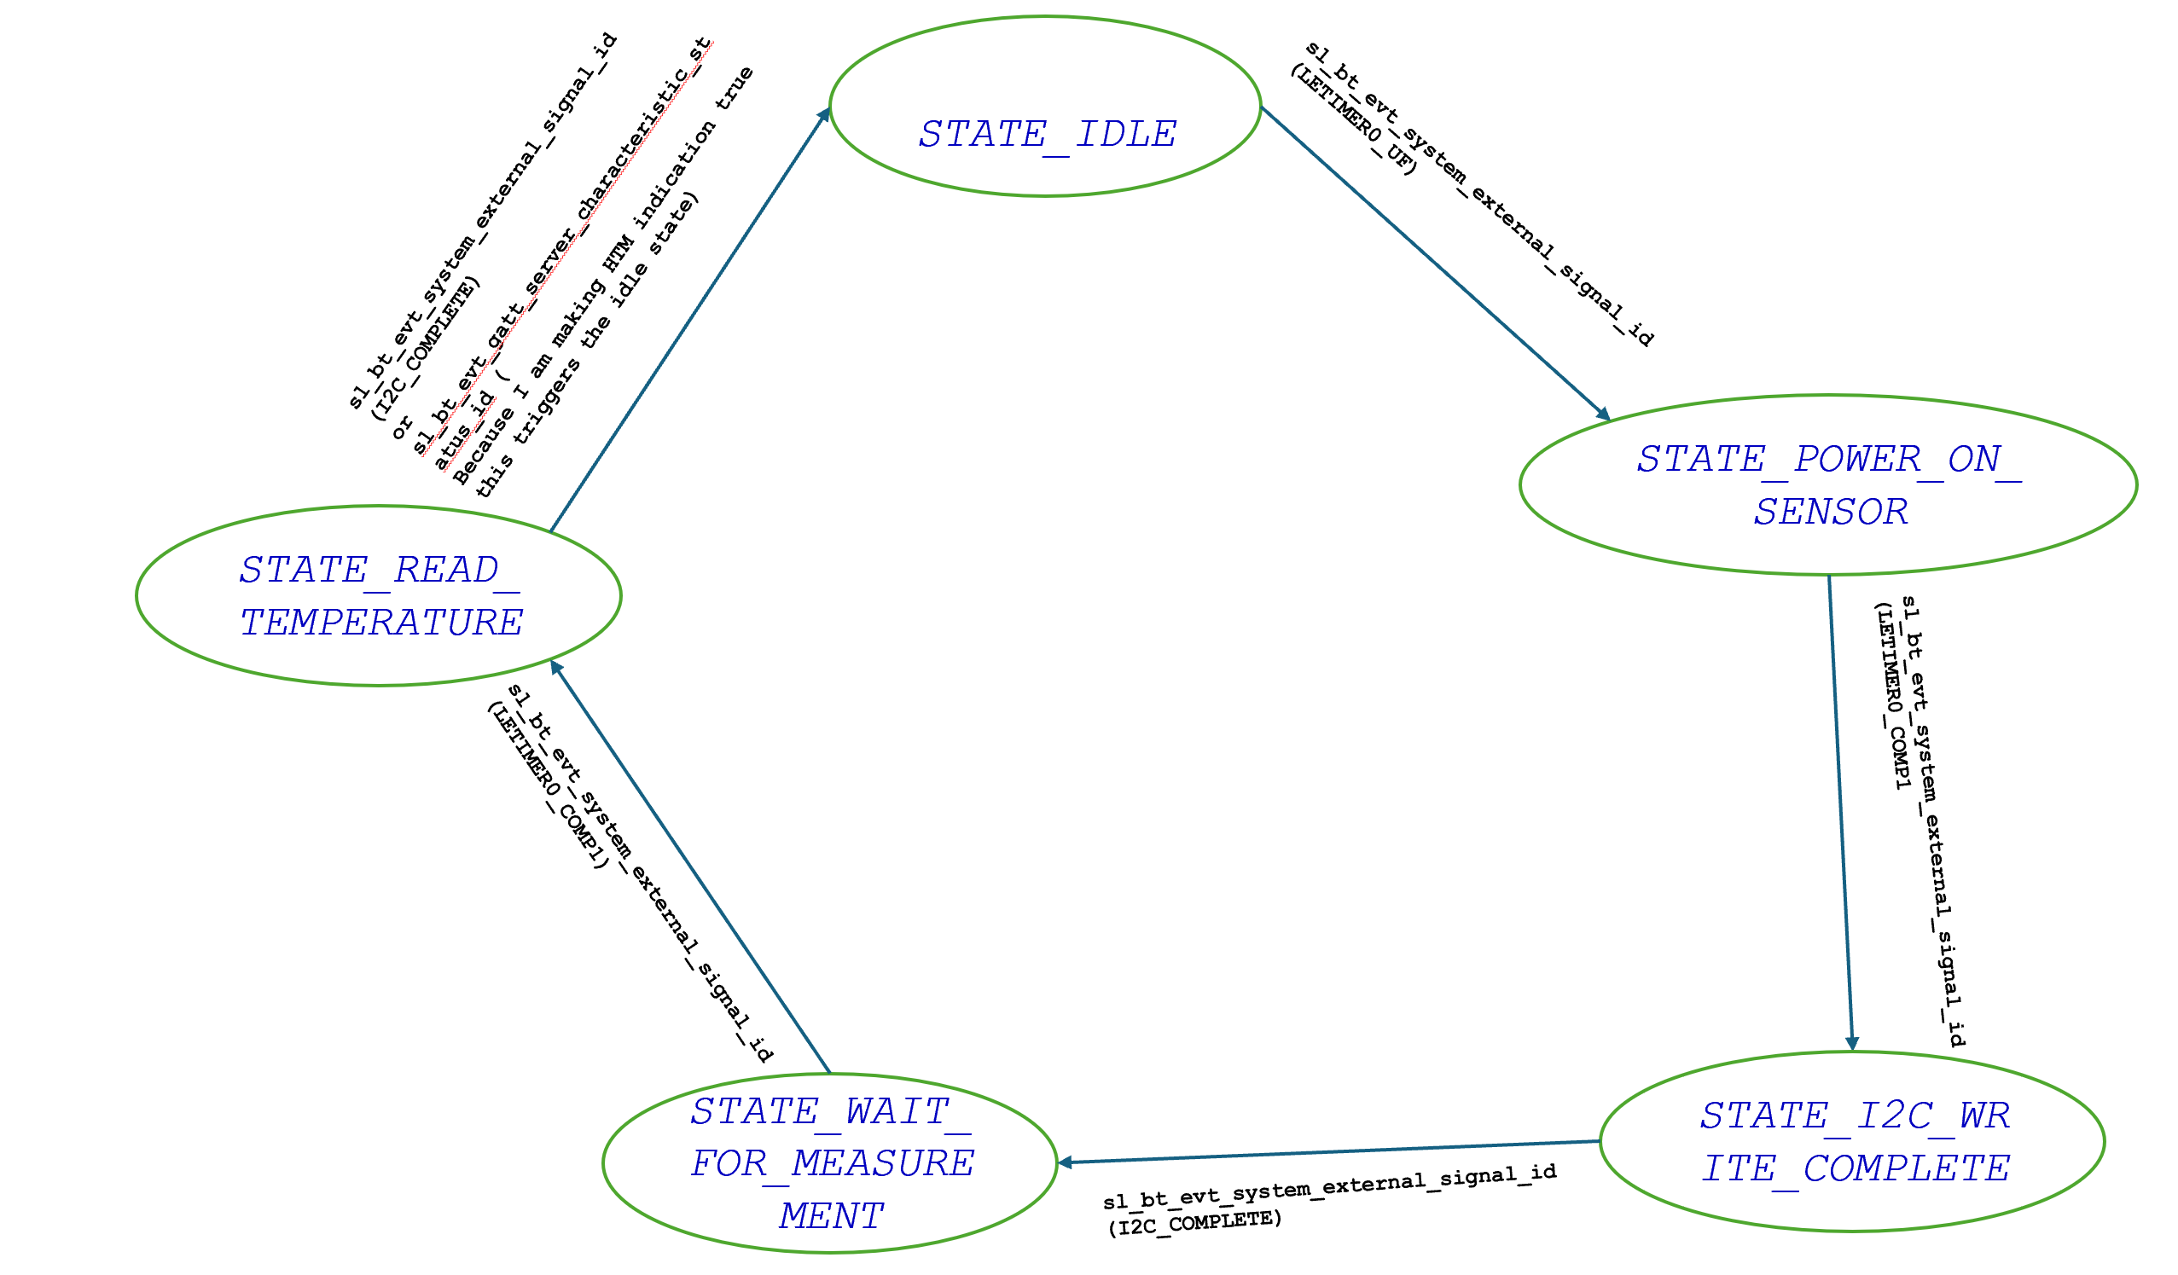
 | Server Command Table for A8

 | Use this table to help you design your program. Add rows as needed. | Use this column to describe when and what your LCD display changes to for rows like DISPLAY_ROW_CONNECTION | Use this column to denote if BT stack events cause your state machine to advance, you can put an X in the cell to note this. Drawing a bubble diagram of your state machine might also be a good idea 👍. | Commands that may be useful: sl_bt_gatt_discover_primary_services_by_uuid() sl_bt_gatt_discover_characteristics_by_uuid()
 | Event | LCD Display State | Advances State Machine | Commands called in response to event
Events for Servers
 | sl_bt_evt_system_boot_id | DISPLAY_ROW_NAME: Server DISPLAY_ROW_BTADDR: Server Address DISPLAY_ROW_CONNECTION: Advertising DISPLAY_ROW_9: Button Released DISPLAY_ROW_ASSIGNMENT: A8 |  | sl_bt_advertiser_create_set() sl_bt_advertiser_set_timing() sl_bt_legacy_advertiser_generate_data() sl_bt_legacy_advertiser_start() sl_bt_sm_delete_bondings() sl_bt_sm_configure()

 | sl_bt_evt_connection_opened_id | DISPLAY_ROW_CONNECTION: Connected |  | sl_bt_advertiser_stop() sl_bt_connection_set_parameters()

 | sl_bt_evt_connection_closed_id | DISPLAY_ROW_CONNECTION: Advertising |  | sl_bt_legacy_advertiser_start()

 | sl_bt_evt_system_soft_timer_id |  |  | This event indicates that a soft timer has expired.
 | sl_bt_evt_system_external_signal_id | DISPLAY_ROW_9: Button Released DISPLAY_ROW_9: Button Pressed | x | sl_bt_sm_passkey_confirm() sl_bt_gatt_server_write_attribute_value() sl_bt_gatt_server_send_indication()

 | sl_bt_evt_gatt_server_indication_timeout_id |  |  | if we don’t get the indication it will get triggered

 | sl_bt_evt_sm_confirm_bonding_id |  |  | sl_bt_sm_bonding_confirm()

 | sl_bt_evt_sm_bonding_failed_id | DISPLAY_ROW_CONNECTION: Bonding Failed |  | sl_bt_sm_delete_bondings()
 | sl_bt_evt_sm_confirm_passkey_id | DISPLAY_ROW_PASSKEY: Passkey value DISPLAY_ROW_ACTION: Confirm with PB0 |  | Waiting for PB0 confirmation and also displaying the pass key value
 | sl_bt_evt_sm_bonded_id | DISPLAY_ROW_CONNECTION: Bonded |  | Displaying bonded
 | sl_bt_evt_gatt_server_characteristic_status_id | DISPLAY_ROW_TEMPVALUE: Temp= temperature value | x | sl_bt_gatt_server_send_indication()

